1. Title Page
Basket Analysis

Project Name: Basket Analysis
Date:
Analyst Name: Kaitlin Kendrick
Citation: "The Instacart Online Grocery Shopping Dataset 2017", Accessed from www.instacart.com/datasets/grocery-shopping-2017 via Kaggle on April 10, 2023

Contents:
Population Flow
Consistency checks
Wrangling steps
Column derivations
Visualizations
Recommendations

2. Population Flow
Title page

Population flow

Exclusion flag
Condition: order_frequency < 5
Obervations to be removed: 4,592,930
Final total count of : 27,811,924

Orders_products_combined
Orders_products_merged
Orders_products_all

Total: 32,404,859
Total: 32,434,489
Total: 32,404,859

3. Consistency checks
 |  |  |  | Title page
Consistency checks

Dataset | Missing values | Missing values treatment | Duplicates
orders | 206,209 | Created a new column indicating if there were any days between orders using True/False to address the missing data as it most likely indicates a lack of days between orders | No duplicates
products | 16 | Dropped from dataframe | 5, dropped from dataframe
orders_products_prior | 0 | 0 | n/a
customers | none | N/A - no missing values | none

4. Wrangling steps
 |  |  |  | Title page
Wrangling steps

Columns dropped | Columns renamed | Columns' type changed | Comment/Reason
eval_set |  |  | Not relevant to scope of project
 | order_dow |  | Changed to order_day_of_week for ease of understanding
 | days_since_prior_order |  | Changed to days_since_previous_order for better understanding
 |  | order_id | type changed to 'str' since it is an identifier
 |  | user_id | type changed to 'str' since it is an identifier
 | Gender |  | changed to gender for consistency
 | STATE |  | changed to state for consistency
 | Age |  | changed to age for consistency
 | n_dependants |  | changed to num_dependents for better understanding/spelling error
First Name |  |  | Not relevant to scope of project
Surnam |  |  | Not relevant to scope of project

5. Column derivations
 |  |  |  | Title page

Column derivations and aggregations

Dataset | New column | Column/s it was derived from | Conditions
Orders_Products_Derived | Busiest Days | order_day_of_week | Days 0 and 1 are the busiest days, days 3 and 4 are the least busy, and the rest of the days are regularly busy
Orders_Products_Derived | Price Range | prices | $5 or less is classed as a low-range product, $5-$15 is a mid-range product, and $15+ is a high range product
Orders_Products_Derived | busiest period of day | order_hour_of_day | The hours are split into 3 groups of 8. Hours 10, 11, 14, 15, 13, 12, 16, and 9 are classed as most orders, hours 3, 4, 2, 5, 1, 0, 6, and 23 are classed as fewest orders, and the rest of the hours are classed as average orders
Orders_Products_Aggregated | max_order | user_id & order_number | amount of orders each user has made
Orders_Products_Aggregated | loyalty_flag | max_order | More than 40 orders is a Loyal customer, more than 10 but less than or equal to 40 orders are a regular customer, and less than or equal to 10 orders are new customers
Orders_Products_Aggregated | order_frequency | user_id & days_since_previous_order | median days between orders for each user
Orders_Products_Aggregated | frequency_flag | order_frequency | More than 20 days between orders is a non-frequent customer, more than 10 and less than or equal to 20 days is a regular customer, and less than or equal to 10 days is a frequent customer
Final_Merged_Data | region | state | organized the states into region according to this website
Final_Merged_Data | exclusion_flag | order_frequency | less than 5 orders is a low order customer, 5 or more orders is a high order customer
Final_Merged_Data | age_profile | age, num_dependents | Customers aged 18-30 are a young adult. Customers aged 30-65 are an adult. Customers 65+ years with 0 dependents are a retired adult.
Final_Merged_Data | parent_profile | department_id, age, num_dependents, income | Customers purchasing from dept 18, with 1 or more dependents is a new parent. Customers under 25 with no dependents is a single adult. Customers with 1 or more dependents, 40 years or younger, and with an income of $45k or less is a single parent.
Orders_Products_All | spend_crosstab | region, spender_type | region, spender type
Orders_Products_All | regional_profiles | profile, region | profile, region
Orders_Products_All | department_profile | department_id, profile | department_id, profile
Orders_Products_All | loyal_spend_crosstab | department_id, loyalty_flag | department_id, loyalty flag

6. Visualizations
 | Title page

Visualisations

What are the busiest hours of the day?
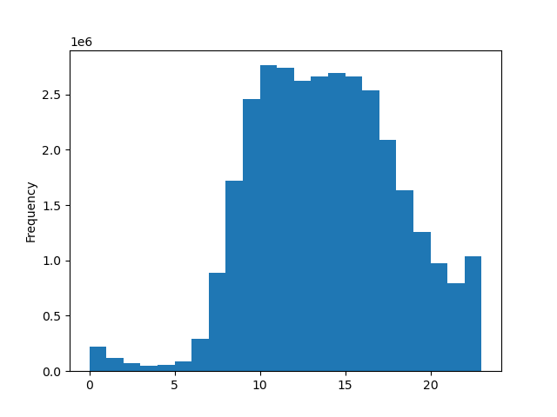

The busiest hours of the day are between 10am-4pm. The frequency of orders rapidly drops off between the hours of 12am-7am.

What are the busiest days of the week?
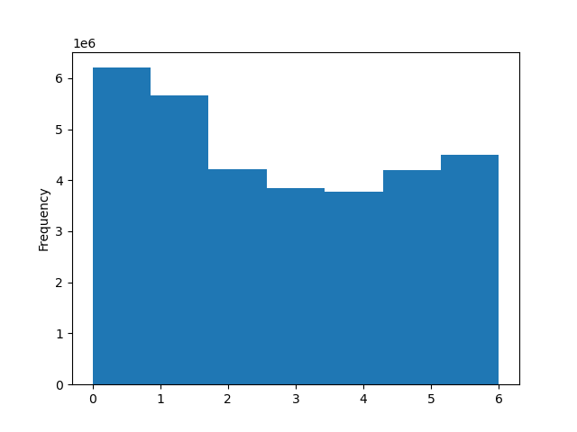

Legend:
0 - Saturday
1 - Sunday
2 - Monday
3 - Tuesday
4 - Wednesday
5 - Thursday
6 - Friday

Saturday is the busiest day of the week, followed closely by Sunday. Tuesday and Wednesday are the least busy.

What times of day do customers spend the most money?
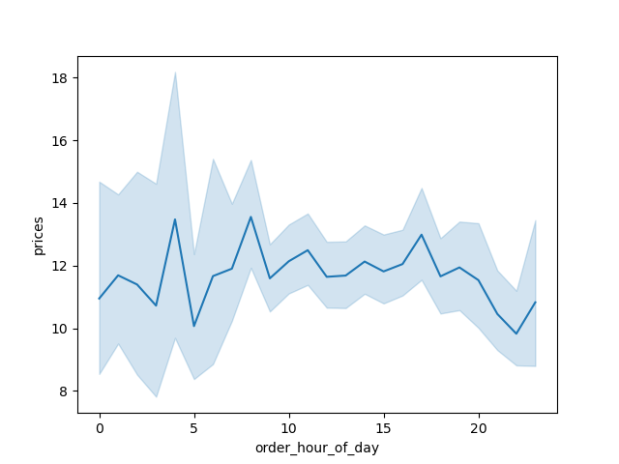

Customers spend the most money in the early morning, spiking at 4am and 8am. Although Instacart doesn't appear to be very busy during those hours, the orders that are placed are highest in terms of pricing.

Are there certain types of products that are more popular than others?
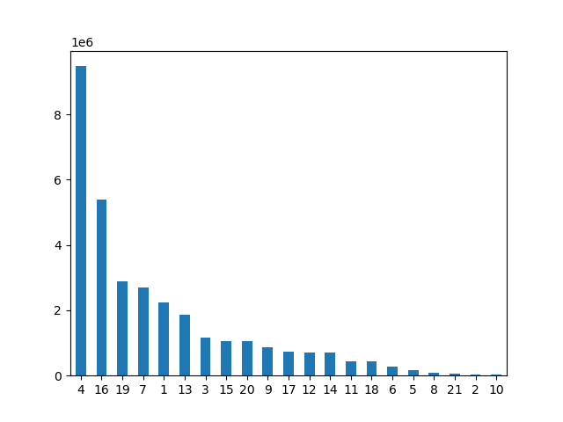

Department 4 (produce) is the most popular department, followed by department 16 (diary/eggs) and department 19 (snacks). The least popular departments are department 21 (not labeled), department 2 (other), and department 10 (bulk).

What's the distribution amongst users in regards to their brand loyalty (how often do they return to Instacart?)
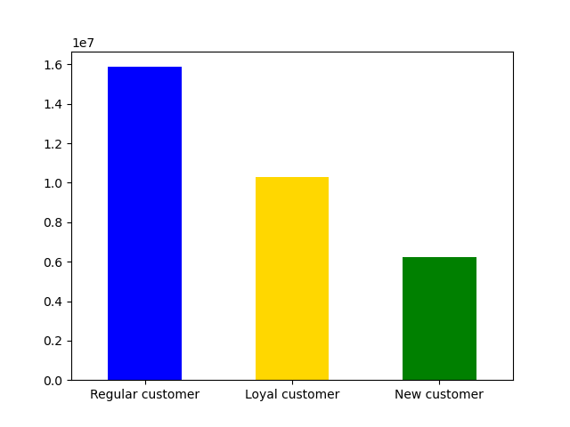

Regular customers return to Instacart at a higher rate than loyal customers. This means that customers making between 10 and 40 orders are a larger part of Instacarts customer base than loyal customers making over 40 orders.

Are there differences in ordering habits based on a customer's loyalty status?
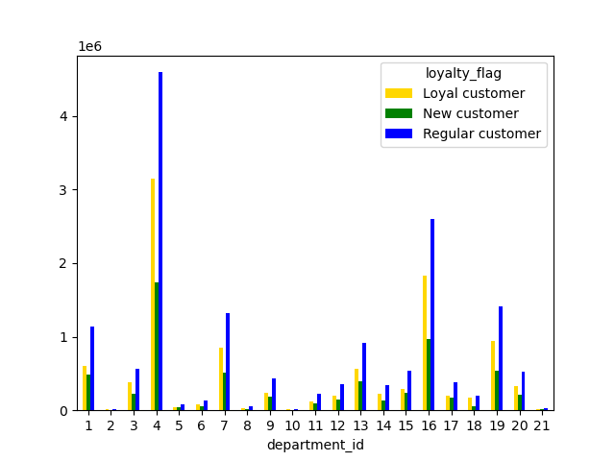

There doesn't seem to be a discernable connection between loyalty and ordering habits, however this chart again shows that regular customers represent a larger customer base than the other loyalty statuses.

Are there differences in ordering habits based on a customer's region?
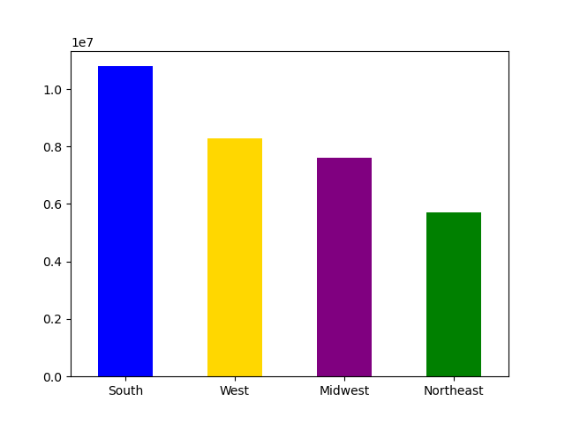

Customers in the Southern region order with much more frequency than customers in the Northeast. Both the West and the Midwest order with nearly the same frequency.

Is there a connection between age and family status in terms of ordering habits?
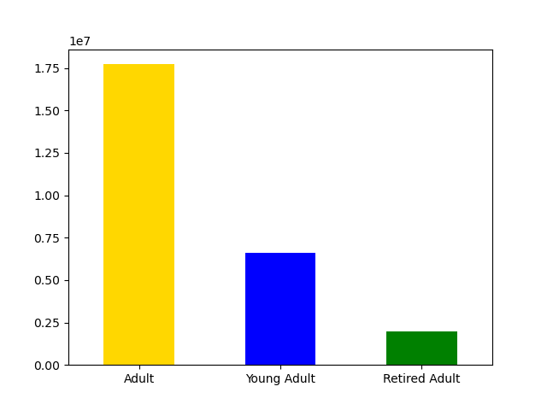
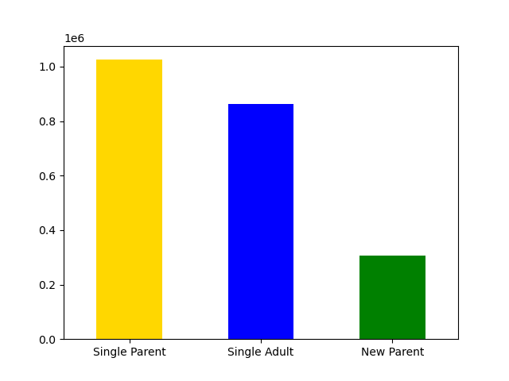

Single parents and adults (30-65) make up the majority of customers. Surprisingly new parents make up the smallest portion of users and young adults (who we would expect to be a high user) are well below adults.

What different classifications does the demographic information suggest? Age? Income? Certain types of goods? Family status?

See tab 5 for the profile classifications.

What differences can you find in ordering habits of different customer profiles?
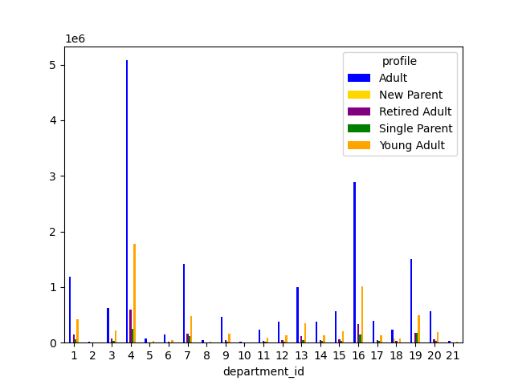

This graph shows that adults drive the popularity of the departments from before. This makes sense as the largest base of customers are adults. This chart falls in line with the popularity of the departments from above.

7. Recommendations
 |  |  |  | Title page

Recommendations

Question | Answer
The sales team needs to know what the busiest days fo the week and hours of the day are in order to schedule ads at times when there are fewer orders.

 |  |  | The best days to run ads are on Tuesday and Wednesday. The app is quietest from 0:00-6:00, however people are typically asleep at that time and unlikely to see ads. The best times for ads appear to be 7:00-9:00 and 18:00-21:00.

What times do people spend the most money?
 |  |  | The most money is spend at 4:00 and 8:00. The amount spent throughout the day seems pretty consistent, dropping off around 18:00.

Marketing and sales want to use simpler price range groupings to help direct their efforts |  | I have created the price range groupings in the column prices. $5 or less is classed as a low-range product, $5-$15 is a mid-range product, and $15+ is a high range product

Are there certain types of products that are more popular than others?

 |  |  | Department 4 (produce) is the most popular department, followed by department 16 (diary/eggs) and department 19 (snacks). The least popular departments are department 21 (not labeled), department 2 (other), and department 10 (bulk).

What's the distribution among users in regards to their brand loyalty?

 |  |  | Regular customers return to Instacart at a higher rate than loyal customers. This means that customers making between 10 and 40 orders are a larger part of Instacarts customer base than loyal customers making over 40 orders.

Are there differences in ordering habits based on a customer's loyalty status?

 |  |  | There doesn't seem to be a discernable connection between loyalty and ordering habits, however this chart again shows that regular customers represent a larger customer base than the other loyalty statuses.

Are there differences in ordering habits based on a customer's region?

 |  |  | Customers in the Southern region order with much more frequency than customers in the Northeast. Both the West and the Midwest order with nearly the same frequency.

Is there a connection between age and family status in terms of ordering habits?

 |  |  | Single parents and adults (30-65) make up the majority of customers. Surprisingly new parents make up the smallest portion of users and young adults (who we would expect to be a high user) are well below adults.

What different classifications does the demographic information suggest? Age? Income? Certain types of goods? Family status?
 |  | I have created two new columns called age_profile and parent_profile. Customers aged 18-30 are a young adult. Customers aged 30-65 are an adult. Customers 65+ years with 0 dependents are a retired adult. Customers purchasing from dept 18, with 1 or more dependents is a new parent. Customers under 25 with no dependents is a single adult. Customers with 1 or more dependents, 40 years or younger, and with an income of $45k or less is a single parent. Additional profiles can be created as needed but were outside the scope of this project.

What differences can you find in ordering habits of different customer profiles?
 |  |  | This graph shows that adults drive the popularity of the departments shown above. This makes sense as the largest base of customers are adults. This chart falls in line with the popularity of the departments from above.

